Sheet1


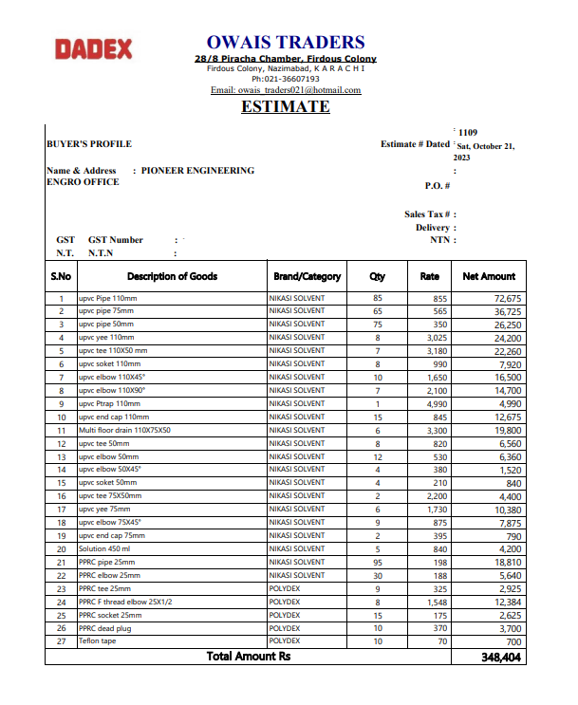
M/S National Engineers Co |  |  |  |  |  |  |  |  | 2023-10-21
Project: ENGRO - THF Karachi
Variation Order No 3

Attn: Mr. Sheikh Ibetehaj

Variation order for UPVC & PPRC Pipe with fittings - ENGRO - THF Karachi

S. # | Description | Material Rate | Labour Rate | Wastage 10% | OPT 25% | Total Rate | Unit | Qty | Amount
 | UPVC PIPE & Fittings
1 | upvc Pipe 110mm | 855 | 300 | 86 | 310 | 1,551 | Rft | 85 | 131,803
2 | upvc pipe 75mm | 565 | 250 | 57 | 218 | 1,089 | Rft | 65 | 70,809
3 | upvc pipe 50mm | 350 | 200 | 35 | 146 | 731 | Rft | 75 | 54,844
4 | upvc yee 110mm | 3,025 | 152 | - | 794 | 3,971 | nos | 8 | 31,770
5 | upvc tee 110X50 mm | 3,180 | 80 | - | 815 | 4,075 | nos | 7 | 28,525
6 | upvc soket 110mm | 990 | 80 | - | 268 | 1,338 | nos | 8 | 10,700
7 | upvc elbow 110X45° | 1,650 | 80 | - | 433 | 2,163 | nos | 10 | 21,625
8 | upvc elbow 110X90° | 2,100 | 80 | - | 545 | 2,725 | nos | 7 | 19,075
9 | upvc Ptrap 110mm | 4,990 | 500 | - | 1,373 | 6,863 | nos | 1 | 6,863
10 | upvc end cap 110mm | 845 | 80 | - | 231 | 1,156 | nos | 15 | 17,344
11 | Multi floor drain 110X75X50 | 3,300 | 300 | - | 900 | 4,500 | nos | 6 | 27,000
12 | upvc tee 50mm | 820 | 100 | - | 230 | 1,150 | nos | 8 | 9,200
13 | upvc elbow 50mm | 530 | 100 | - | 158 | 788 | nos | 12 | 9,450
14 | upvc elbow 50X45° | 380 | 80 | - | 115 | 575 | nos | 4 | 2,300
15 | upvc soket 50mm | 210 | 80 | - | 73 | 363 | nos | 4 | 1,450
16 | upvc tee 75X50mm | 2,200 | 150 | - | 588 | 2,938 | nos | 2 | 5,875
17 | upvc yee 75mm | 1,730 | 150 | - | 470 | 2,350 | nos | 6 | 14,100
18 | upvc elbow 75X45° | 875 | 80 | - | 239 | 1,194 | nos | 9 | 10,744
19 | upvc end cap 75mm | 395 | 80 | - | 119 | 594 | nos | 2 | 1,188
20 | Solution 450 ml | 840 | 80 | - | 230 | 1,150 | nos | 5 | 5,750
 | PPRC PIPE & Fittings |  |  | - | - | - |  |  | -
1 | PPRC pipe 25mm | 198 | 130 | 20 | 87 | 435 | rft | 95 | 41,301
2 | PPRC elbow 25mm | 188 | 50 | - | 60 | 298 | nos | 30 | 8,925
3 | PPRC tee 25mm | 325 | 50 | - | 94 | 469 | nos | 9 | 4,219
4 | PPRC F thread elbow 25X1/2 | 1,548 | 100 | - | 412 | 2,060 | nos | 8 | 16,480
5 | PPRC socket 25mm | 175 | 50 | - | 56 | 281 | nos | 15 | 4,219
6 | PPRC dead plug | 370 | 80 | - | 113 | 563 | nos | 10 | 5,625
7 | Teflon tape | 70 | 20 | - | 23 | 113 | nos | 10 | 1,125
Total Amount Rs. |  |  |  |  |  |  |  |  | 562,308

Note: Please add Your margin on above variation.

For PIONEER ENGINEERING SERVICES.

